CL21030-6DAMYCBM
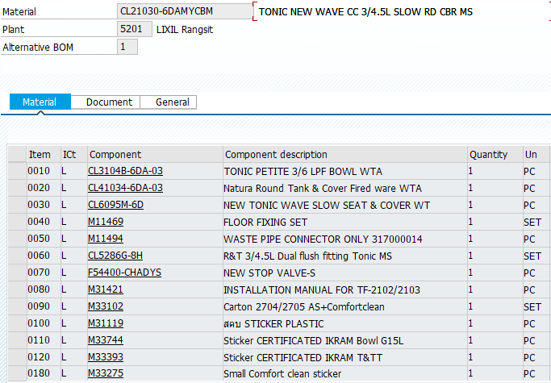
 |  |  |  |  |  |  |  |  |  |  | Doc No.: CN NPD/BOM ****-2018

Product BOM List

Product No.&name: |  |  |  |  | CL21030-6DAMYCBM TONIC NEW WAVE CC 3/4.5L SLOW RD CBR MS |  |  | Type of products: | Closed Couple |  | Type of material: | VC
Prepare date: |  |  |  |  | 2018-05-17 |  |  | Sales channel: | Indo-China |  | Product logo: | American Standard
BOM revision
Rev. # |  |  |  |  | Desc. |  |  | Gate Applied (G2,G3,G4) | Written | Approval | Date
'-- |  |  |  |  | Original version |  |  |  | Tananchai P. |  | 2018-05-17
A
B

LEVEL
.1 | ..2 | …3 | ….4 | …..5 | Name | Pic | AS product code | Supplier code | Material | Quantity | Supplier name | Drawing # | Rev. | Service Parts (Y/N ) | Remark
.1 |  |  |  |  | TONIC NEW WAVE CC 3/4.5L SLOW RD CBR MS | 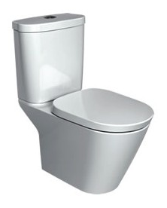 | CL21030-6DAMYCBM | 2103M-WTM-0 | VC | 1 | RS-THL
 | ..2 |  |  |  | Bowl |  | CL3104B-6DA-03 | TF-3104 | VC | 1 | RS-THL |  |  |  | TONIC PETITE 3/6 LPF BOWL WTM
 | ..2 |  |  |  | Tank |  | CL41034-6DA-03 | TF-4103 | VC | 1 | RS-THL |  |  |  | Natura Round Tank & Cover Fired ware WTM
 | ..2 |  |  |  | New seat & Cover |  | CL6095M-6D | n/a | PP | 1 | Qing Yuan VTO Plastic
 | ..2 |  |  |  | Fixing Set |  | M11469 | n/a | Stainless steel /Nylon /ABS chrome | 1 | Kitpinan Product
 | ..2 |  |  |  | Connector |  | M11494 | n/a | PVC / Black NR- rubber | 1 | Qing Yuan VTO Plastic |  |  |  | Waste pipe connector only 317000014
 | ..2 |  |  |  | Tank trim |  | CL5286G-8H | n/a | n/a | 1 | n/a |  |  |  | R&T 3/4.5L Dual flush fitting Tonic MS
 | ..2 |  |  |  | New Stop Valve |  | F54400-CHADYS | n/a | n/a | 1 | n/a |  |  |  | carton box size 55x80x33 mm.
 | ..2 |  |  |  | Installation Manual |  | M31421 | n/a | Paper A4 size | 1 | n/a | n/a
 | ..2 |  |  |  | Carton |  | M33102 | n/a | n/a | 1 | n/a | n/a
 | ..2 |  |  |  | สคบ Sticker plastic |  | M31119 | n/a | Copper plate paper | 1 | RS-THL | n/a
 | ..2 |  |  |  | Sticker CERTIFICATED IKRAM Bowl G15L | 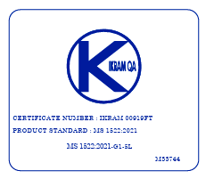 | M33744 | n/a | n/a | 1 | MYSET 168 | n/a
 | ..2 |  |  |  | Sticker CERTIFICATED IKRAM T&TT |  | M33393 | n/a | n/a | 1 | MYSET 168 | n/a
 | ..2 |  |  |  | Small Comfort clean sticker |  | M33275 | n/a | Copper plate paper | 1 | SIAM PRINTERY CO.,LTD. | n/a

Casting method： |  |  |  |  |  | Manual casting |  | Semi-bank casting |  | Bank casting

Working mould No. in 1 line：

Glaze： |  |  |  |  |  | Anti-bacteria |  | Non-antibacteria |  | Others Comfortclean

Single product pack way： |  |  |  |  |  | Carton |  | Crate |  | Shrinked bag

 |  |  |  |  |  |  |  |  |  | Note: OP carton must use pack tap
Transportation package way： |  |  |  |  |  | Single product
 |  |  |  |  |  | Wrapped film+Pallet |  |  | Quantity of layer：
 |  |  |  |  |  | Shrinked bag+Pallet |  |  | Quantity of layer：
Pallet kinds&dimension： |  |  |  |  |  | Plywood pallet |  |  | Pallet size：
 |  |  |  |  |  | Ready for fumigating wood pallet |  |  | Pallet size：
 |  |  |  |  |  | Heat-treatment wood pallet |  |  | Pallet size：
Stack layer：

Approval by marketing |  |  |  |  |  |  | Approval by QA |  |  | Approval by SOIP |  |  | Approval by GM

