CL20415-6DAMYCB
 |  |  |  |  |  |  |  |  |  |  | Doc No.: CN NPD/BOM ****-2018

Product BOM List

Product No.&name: |  |  |  |  | CL20415-6DAMYCB Milano Vortex OP 3/4.2L, 305RI MS WT |  |  | Type of products: | One piece |  | Type of material: | VC
Prepare date: |  |  |  |  | 2018-10-01 |  |  | Sales channel: | Malaysia |  | Product logo: | American Standard
BOM revision
Rev. # |  |  |  |  | Desc. |  |  | Gate Applied (G2,G3,G4) | Written | Approval | Date
'-- |  |  |  |  | Original version |  |  |  | Tananchai P. |  | 2018-10-01
A |  |  |  |  | Update Fired ware and MS labels |  |  |  | Kanokwan K. |  | 17/6/2025
B

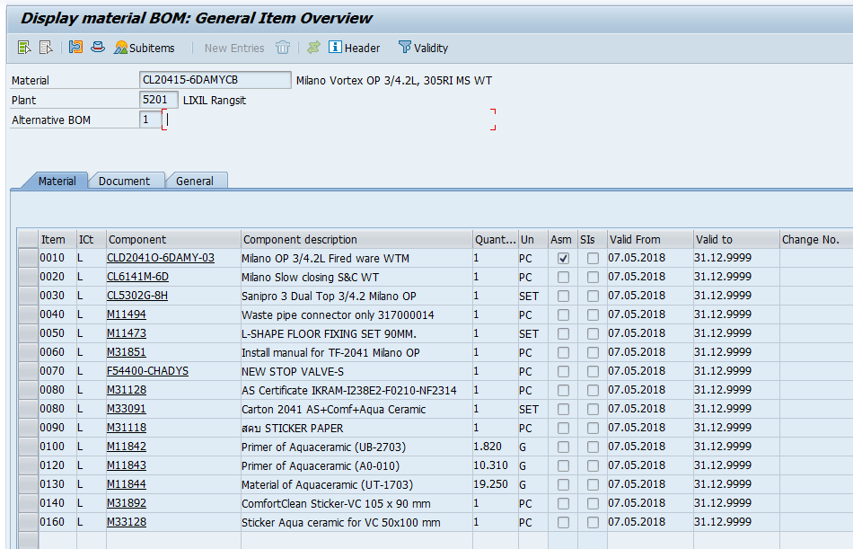
LEVEL
.1 | ..2 | …3 | ….4 | …..5 | Name | Pic | AS product code | Supplier code | Material | Quantity | Supplier name | Drawing # | Rev. | Service Parts (Y/N ) | Remark
.1 |  |  |  |  | Milano Vortex OP 3/4.2L, 305RI MS WT |  | CL20415-6DAMYCB | 2041-WT-0 | VC | 1 | RS-THL | 015502-01 | Rev.01
 | ..2 |  |  |  | Milano OP 3/4.2L Fired ware WT |  | CL2041O-6DA-03 | TF-2041 | VC | 1 | RS-THL | 015502-01 | Rev.01
 | ..2 |  |  |  | New seat & Cover |  | CL6141M-6D | CL6141M-6D | n/a | 1 | Lixil Rayong | n/a | n/a
 | ..2 |  |  |  | Tank trim |  | CL5302G-8H | n/a | n/a | 1 | n/a | SS-NPD-0100 | Rev.01
 |  | …3 |  |  | Water Control |  | M10937 | A12600955 | n/a | 1 | Sanipro Marketing Pte. Ltd | n/a | n/a
 |  | …3 |  |  | Flush Valve |  | M11838 | A2422 | n/a | 1 |  | n/a | n/a
 |  | …3 |  |  | Top Push |  | M11839 | A361021 | n/a | 1 |  | n/a | n/a
 |  | …3 |  |  | Water Supply Hose |  | M10745 | 110333 | n/a | 1 |  | n/a | n/a
 | ..2 |  |  |  | Waste Pipe Connector |  | M11494 | VP-JT43N | Plastic | 1 | Qing Yuan VTO Plastic | n/a | n/a
 | ..2 |  |  |  | L-Shape Floor Fixing Set |  | M11473 | Vp-955080 | PVC. / Stainless /ABS chrome | 1 | Qing Yuan VTO Plastic | n/a | n/a
 | ..2 |  |  |  | Installation Manual |  | M31851 | M31851 | Paper | 1 | Suchart Printing Ltd.,Part. | M31851 | Rev.01
 | ..2 |  |  |  | New Stop Valve |  | F54400-CHADYS | A-4400S | n/a | 1 | Zhejiang Delifu Technology | n/a | n/a
 | ..2 |  |  |  | AS Centificate IKRAM | 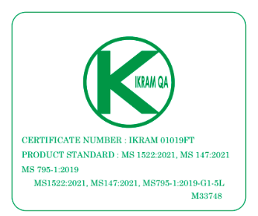 | M33748 | N/A | Sticker PVC Glossy-White | 1 | MMY SET0168 | M33748 | Rev.01
 | ..2 |  |  |  | Carton |  | M33376 | N/A | Corrugated cardboard | 1 | Thai Eastern Pack Co.,Ltd | n/a | n/a |  | 505 x 800 x 686 mm.
 | ..2 |  |  |  | สคบ Sticker Plastic |  | M31118 | N/A | Copper plate paper | 1 | OGA International Co.,Ltd. | n/a | n/a
 | ..2 |  |  |  | Primer of Aquaceramic |  | M11842 | N/A | Base Compound | 1.63 | Shinanoa Co.,Ltd. | n/a | n/a |  | Aqua Ceramic Chemical
 | ..2 |  |  |  | Primer of Aquaceramic |  | M11843 | N/A | Catalyst | 9.22 |  | n/a | n/a |  | Aqua Ceramic Chemical
 | ..2 |  |  |  | Material of Aquaceramic |  | M11844 | N/A | Hydrophilizing solution | 10.84 |  | n/a | n/a |  | Aqua Ceramic Chemical
 | ..2 |  |  |  | Small ComfortClean Sticker |  | M33275 | N/A | Copper plate paper | 1 | SIAM Printery CO., LTD | M31892 | Rev.00
 | ..2 |  |  |  | Sticker Aquaceramic For VC |  | M33374 | N/A | Copper plate paper | 1 | SIAM Printery CO., LTD | M33128 | Rev.00

Casting method： |  |  |  |  |  | Manual casting |  | Semi-bank casting |  | Bank casting

Working mould No. in 1 line：

Glaze： |  |  |  |  |  | Anti-bacteria |  | Non-antibacteria |  | Others Comfortclean

Single product pack way： |  |  |  |  |  | Carton |  | Crate |  | Shrinked bag

 |  |  |  |  |  |  |  |  |  | Note: OP carton must use pack tap
Transportation package way： |  |  |  |  |  | Single product
 |  |  |  |  |  | Wrapped film+Pallet |  |  | Quantity of layer：
 |  |  |  |  |  | Shrinked bag+Pallet |  |  | Quantity of layer：
Pallet kinds&dimension： |  |  |  |  |  | Plywood pallet |  |  | Pallet size：
 |  |  |  |  |  | Ready for fumigating wood pallet |  |  | Pallet size：
 |  |  |  |  |  | Heat-treatment wood pallet |  |  | Pallet size：
Stack layer：

Approval by marketing |  |  |  |  |  |  | Approval by QA |  |  | Approval by SOIP |  |  | Approval by GM

