0553-WTM
 |  |  |  |  |  |  |  |  |  |  | Doc No.: CN NPD/BOM ****-2016

Product BOM List

Product No.& Name: |  |  |  |  | Concept D-Shape W/H 55Cm MS basin WT |  |  | Type of products: | VC-Lava |  | Type of material:
Prepare date: |  |  |  |  | 2018-03-30 |  |  | Sales channel: | Indo-China |  | Product logo:
BOM revision
Rev. # |  |  |  |  | Desc. |  |  | Gate Applied (G2,G3,G4) | Written | Approval | Date
'-- |  |  |  |  | Original version |  |  |  | Bawornkiat |  | 2018-03-30
A
B
C

LEVEL
.1 | ..2 | …3 | ….4 | …..5 | Name | Pic | AS product code | Supplier code | Material | Quantity | Supplier name | Rev. | Service Parts ( Y/N ) | Remark
.1 |  |  |  |  | Concept D-Shape W/H 55Cm MS basin WT |  | CL0553I-6DAMYLW | n/a | VC | 1 | RS-THL |  |  | Drawing No. 008934-00
 | ..2 |  |  |  | Basin |  | CL0553I-6DAMYLA-03 | n/a | VC | 1 | RS-THL |  |  | Drawing No. 008934-00
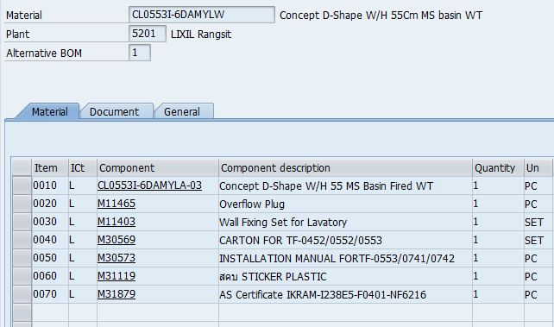
 | ..2 |  |  |  | Overflow Plug |  | M11465 | n/a | ABS | 1 | Kitpinan Products
 | ..2 |  |  |  | Wall Fixing Set |  | M11403 | n/a | Metal | 1 | B.E.C. Product
 | ..2 |  |  |  | CARTON |  | M30569 | n/a | Corrugated cardboard | 1 | Golden Box |  |  | CARTON FOR TF-0452/0552/0553
 | ..2 |  |  |  | INSTALLATION MANUAL |  | M30573 | n/a | Paper | 1 | Suchart Printing |  |  | Size A4
 | ..2 |  |  |  | สคบ STICKER |  | M31119 | n/a | Paper | 1 | OGA International |  |  | Size 3x4 inches
 | ..2 |  |  |  | IKRAM Sticker |  | M31879 | n/a | Paper | 1 | SIAM PRINTERY |  |  | AS Certificate IKRAM-I238E5-F0401-NF6216

Casting method： |  |  |  |  |  | Manual casting |  | Semi-bank casting |  | Bank casting

Working mould No. in 1 line：

Glaze： |  |  |  |  |  | Anti-bacteria |  | Non-antibacteria |  | Others

Single product pack way： |  |  |  |  |  | Carton |  | Crate |  | Shrinked bag

 |  |  |  |  |  |  |  |  |  | Note: OP carton must use pack tap
Transportation package way： |  |  |  |  |  | Single product
 |  |  |  |  |  | Wrapped film+Pallet |  |  | Quantity of layer：
 |  |  |  |  |  | Shrinked bag+Pallet |  |  | Quantity of layer：
Pallet kinds&dimension： |  |  |  |  |  | Plywood pallet |  |  | Pallet size：
 |  |  |  |  |  | Ready for fumigating wood pallet |  |  | Pallet size：
 |  |  |  |  |  | Heat-treatment wood pallet |  |  | Pallet size：
Stack layer：

Approval by marketing |  |  |  |  |  |  | Approval by QA |  |  | Approval by SOIP |  | Approval by GM

