FFAST604-701500BF0
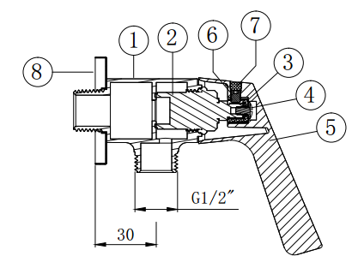
FFAST604-701500BF0 Exposed Shower Mono (Lever Handle)
No. | Part No | Part Name | Material | QTY | Remark
1 | H02460006D01 | Body | Brass | 1 | Cr
2 | 5301008 | Cartridge | Brass | 1
3 | H02450018D01 | Plastic Fixing | POM | 1
4 | 5604188 | Screw | SUS | 1
5 | H02450017D01 | Lever Handle | Zamak | 1 | Cr
6 | 5604184 | Allen Screw | SUS | 1
7 | 5901200 | Plug | Q | 1
8 | 5401026J36 | Rosette | SUS | 1
9 |  | Color Painting Instruction |  | 1
10 |  | Blister Packing |  | 1
11 |  | Barcode Label (Lever Handle) |  | 1
12 |  | Insert |  | 0.125
13 |  | Carton |  | 0.125
14 |  | Label for Carton (Lever Handle) |  | 0.25

