FFAST705-7T9500BT0
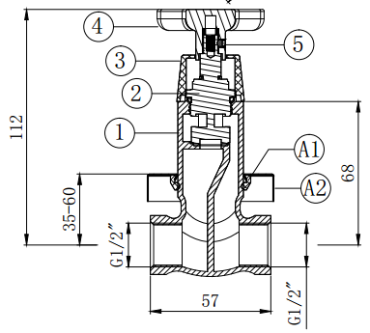
FFAST705-7T9500BT0 Concealed Shower Mono (Cross Handle)
No. | Part No | Part Name | Material | QTY | Remark
1 | H02460005D01 | Body | Brass | 1 | Cr
2 | 5301062 | Cartridge | Brass | 1
3 | H02450015D01 | Rosette | ABS | 1 | Cr
4 | H02450016D01 | Cross Handle | Zamak | 1 | Cr
5 | 5604011 | Allen Screw | SUS | 1
A1 | 5401062D01 | Rosette | SUS | 1 | Cr
A2 |  | Washer | NBR | 1
6 |  | Color Painting Instruction |  | 1
7 |  | Blister Packing |  | 1
8 |  | Barcode Label (Cross Handle) |  | 1
9 |  | Insert |  | 0.125
10 |  | Carton |  | 0.125
11 |  | Label for Carton (Cross Handle) |  | 0.25

